District Drafts
LEA Administrator Level Progress Report

LEA Average Monthly Scores by School
 |  |  |  |  |  |  |  |  |  |  |  |  | 2/4/2019

 | School Year |  | 2018-2019 |  |  |  |  | Category |  |  |  | Total Score

Genre |  |  | Argumentative |  |  |  |  | DraftStatus |  |  |  | Last Drafts Only

 |  | The report below displays the average total scores by month and year by LEA and each school. Click on the school name to view monthly scores for all classes within the school. Use the drop down menus to display monthly scores by category or genre.

Murray District LEA |  |  |  | Aug | Sep | Oct | Nov |  | Dec | Jan | LAST |  |  | May | Jun | Jul | Avg
Grant School |  |  |  |  |  |  | 14.1 |  | 14.2 | 17.7 |  |  |  |  |  |  |  | 15.3
Horizon School (Murray) |  |  |  |  |  |  |  |  |  | 16.8 |  |  |  |  |  |  |  | 16.8
Liberty School |  |  |  |  |  | 18.9 |  |  |  | 15.1 |  |  |  |  |  |  |  | 17.0
Longview School |  |  |  |  |  | 13.1 | 17.1 |  | 16.5 | 14.4 |  |  |  |  |  |  |  | 15.3
Mcmillan School |  |  |  |  | 10.3 | 19.2 | 14.5 |  | 22.6 | 15.6 |  |  |  |  |  |  |  | 16.4
Parkside School (Murray) |  |  |  |  |  |  | 9.3 |  | 21.0 | 11.7 |  |  |  |  |  |  |  | 14.0
Viewmont School |  |  |  |  | 12.1 | 17.6 | 20.3 |  | 19.5 | 15.2 |  |  |  |  |  |  |  | 16.9
LEA |  |  |  |  | 11.2 | 17.2 | 15.0 |  | 18.8 | #DIV/0! |  |  |  |  |  |  | 17.4
First Drafts/Last Drafts Opinion Writing January
 |  |  |  |  |  |  | Jan |  | LAST
Grant School |  |  |  |  |  |  | 17.7
Horizon School (Murray) |  |  |  |  |  |  | 16.8
Liberty School |  |  |  |  |  |  | 15.1
Longview School |  |  |  |  |  |  | 14.4
Mcmillan School |  |  |  |  |  |  | 15.6
Parkside School (Murray) |  |  |  |  |  |  | 11.7
Viewmont School |  |  |  |  |  |  | 15.2

District Traits
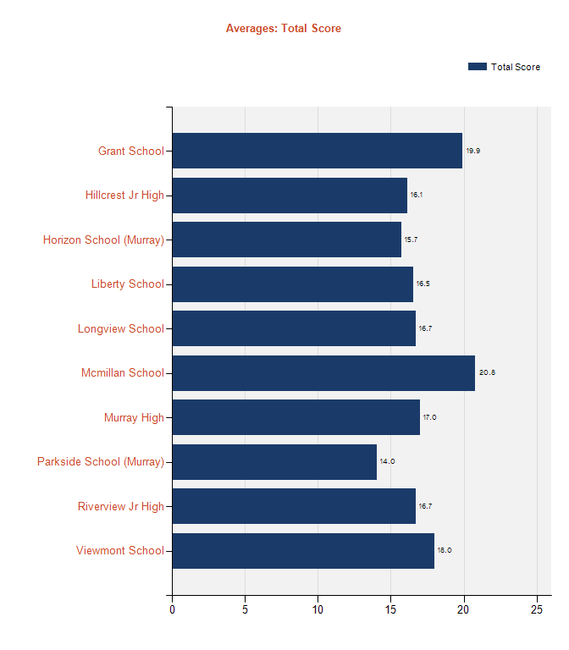
LEA Administrator Level Performance Report

 | LEA Holistic and Trait Score Averages
 |  |  |  |  |  |  |  | 2/4/2019

 |  | The report below displays the average scores for each writing trait and total score. The averages are calculated using the most recent draft score for each essay. Click a school name to view its detailed performance report. To change the bar graph display to show scores for a specific trait, select the trait from the drop down menu at the top of the page and click View Report.

Murray District |  |  | Dev | Org | Style | WC | Sent |  | Conv | Total
Grant School |  |  | 3.2 | 3.2 | 3.4 | 3.5 | 3.4 |  | 3.4 | 19.9
Horizon School (Murray) |  |  | 2.5 | 2.4 | 2.7 | 2.7 | 2.7 |  | 2.7 | 15.7
Liberty School |  |  | 2.7 | 2.7 | 2.8 | 2.9 | 2.8 |  | 2.7 | 16.5
Mcmillan School |  |  | 3.3 | 3.3 | 3.5 | 3.6 | 3.5 |  | 3.5 | 20.8
Longview School |  |  | 2.7 | 2.6 | 2.8 | 2.9 | 2.8 |  | 2.8 | 16.7
Parkside School (Murray) |  |  | 2.3 | 2.2 | 2.4 | 2.4 | 2.3 |  | 2.4 | 14.0
Viewmont School |  |  | 2.8 | 2.8 | 3.1 | 3.1 | 3.1 |  | 3.0 | 18.0
Hillcrest Jr High |  |  | 2.6 | 2.6 | 2.7 | 2.8 | 2.7 |  | 2.7 | 16.1
Riverview Jr High |  |  | 2.6 | 2.6 | 2.9 | 2.9 | 2.9 |  | 2.8 | 16.7
Murray High |  |  | 2.5 | 2.5 | 2.6 | 3.1 | 3.1 |  | 3.1 | 17.0
LEA |  |  | 2.7 | 2.7 | 2.9 | 2.9 | 2.9 |  | 2.9 | 17.0

Grant
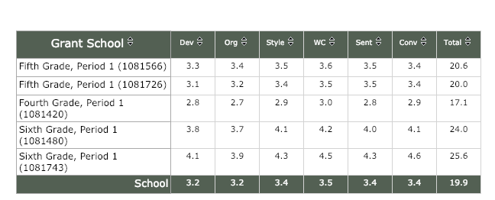
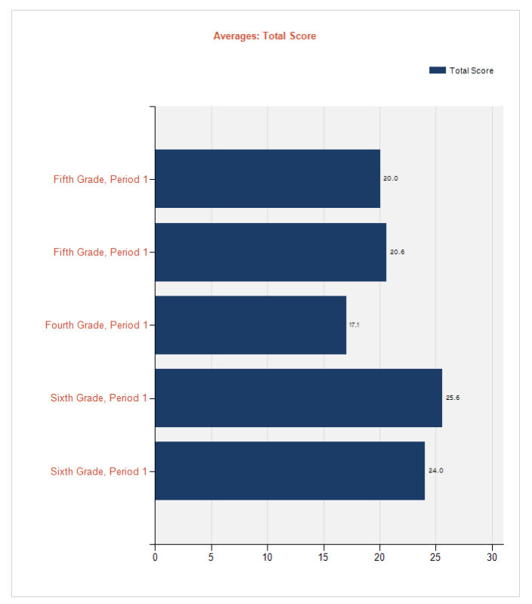
School Administrator Level Progress Report

School Average Monthly Scores by Class
 |  |  |  |  |  |  |  |  |  |  |  |  | 2/4/2019

 | School Year |  | 2018-2019 |  |  |  |  | Category |  |  |  | Total Score

Genre |  |  | Argumentative |  |  |  |  | DraftStatus |  |  |  | First Drafts Only

 |  | The report below displays the average total scores by month and year by school and each class. Use the drop down menus to display monthly scores by category or genre.

Grant School |  |  |  | Aug | Sep | Oct | Nov |  | Dec | Jan | LAST |  |  | Avg
Fifth Grade, Period 1 |  |  |  |  |  |  |  |  |  | 11.4 |  |  |  | 11.4
Fifth Grade, Period 1 |  |  |  |  |  |  |  |  |  | 12.6 |  |  |  | 12.6
Fourth Grade, Period 1 |  |  |  |  |  |  | 13.1 |  | 12.5 | 14.9 |  |  |  | 14.9
Sixth Grade, Period 1 |  |  |  |  |  |  |  |  | 18.3 | 22.1 |  |  |  | 22.1
Sixth Grade, Period 1 |  |  |  |  |  |  |  |  | 23.2 | 20.8 |  |  |  | 20.8
School |  |  |  |  |  |  | 13.1 |  | 16.6 | 16.3 | #DIV/0! |  |  | 17.0

Horizon
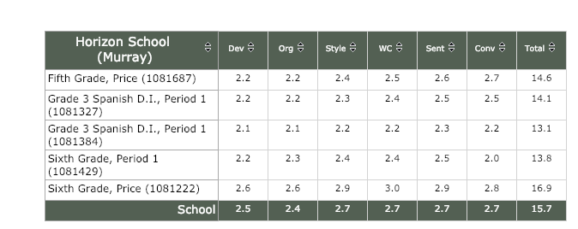
School Administrator Level Progress Report

School Average Monthly Scores by Class
 |  |  |  |  |  |  |  |  |  |  |  |  | 2/4/2019

 | School Year |  | 2018-2019 |  |  |  |  | Category |  |  |  | Total Score

Genre |  |  | Argumentative |  |  |  |  | DraftStatus |  |  |  | First Drafts Only

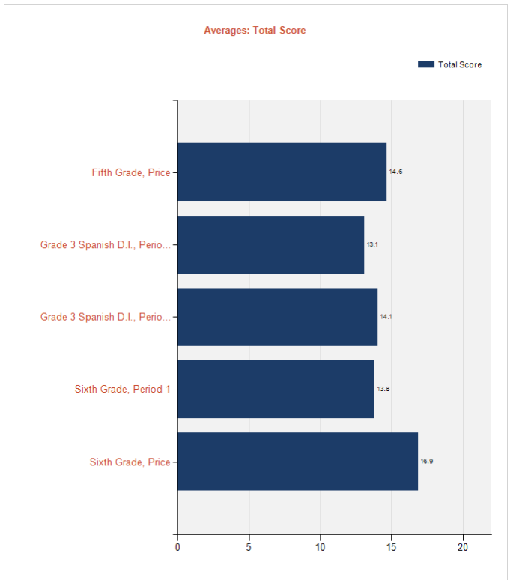
 |  | The report below displays the average total scores by month and year by school and each class. Use the drop down menus to display monthly scores by category or genre.

Horizon School (Murray) |  |  |  | Aug | Sep | Oct | Nov |  | Dec | Jan | LAST |  |  | Mar | Apr | May | Jun | Jul | Avg
Fifth Grade, Price |  |  |  |  |  |  |  |  |  | 15.7 |  |  |  |  |  |  |  |  | 15.7
Sixth Grade, Price |  |  |  |  |  |  |  |  |  | 16.9 |  |  |  |  |  |  |  |  | 16.9
School |  |  |  |  |  |  |  |  |  | 16.3

Liberty
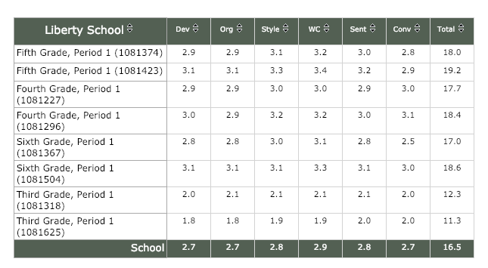
School Administrator Level Progress Report

School Average Monthly Scores by Class

School Year | 2018-2019 | Category |  | Total Score
Genre | Argumentative | DraftStatus |  | First Drafts Only

 |  |  | The report below displays the average total scores by month and year by school and each class. Use the drop down menus to display monthly scores by category or genre.

Liberty School |  | Aug | Sep | Oct | Nov | Dec | Jan | LAST | Apr | May | Jun | Jul | Avg
Fifth Grade, Period 1 |  |  |  |  |  |  | 16.9 |  |  |  |  |  | 16.9
Fifth Grade, Period 1 |  |  |  |  |  |  | 17.7 |  |  |  |  |  | 17.7
Fourth Grade, Period 1 |  |  |  | 16.3 |  |  | 15.9 |  |  |  |  |  | 16.0
Fourth Grade, Period 1 |  |  |  | 17.0 |  |  | 17.5 |  |  |  |  |  | 17.3
Sixth Grade, Period 1 |  |  |  |  |  |  | 18.6 |  |  |  |  |  | 18.6
Sixth Grade, Period 1 |  |  |  |  |  |  | 15.9 |  |  |  |  |  | 15.9
Third Grade, Period 1 |  |  |  |  |  |  | 12.1 |  |  |  |  |  | 12.1
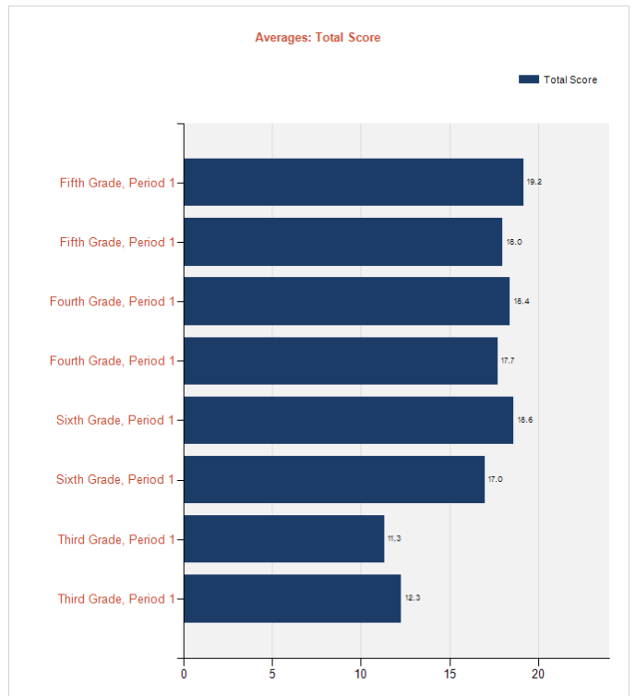
Third Grade, Period 1 |  |  |  |  |  |  | 10.4 |  |  |  |  |  | 10.4
School |  |  |  |  |  |  | 16.8 |  |  |  |  |  | 15.4

Longview
School Administrator Level Progress Report

School Average Monthly Scores by Class
 |  |  |  |  |  |  |  |  |  |  |  |  | 2/4/2019

 | School Year |  | 2018-2019 |  |  |  |  | Category |  |  |  | Total Score

Genre |  |  | Argumentative |  |  |  |  | DraftStatus |  |  |  | First Drafts Only

 |  | The report below displays the average total scores by month and year by school and each class. Use the drop down menus to display monthly scores by category or genre.

Longview School |  |  |  | Aug | Sep | Oct | Nov |  | Dec | Jan | LAST |  |  | Mar | Apr | May | Jun | Jul | Avg
Fifth Grade, Period 1 |  |  |  |  |  | 12.9 | 13.7 |  | 14.0 | 16.5 |  |  |  |  |  |  |  |  | 16.5
Fifth Grade, Period 1 |  |  |  |  |  | 8.1 |  |  |  | 15.1 |  |  |  |  |  |  |  |  | 15.1
Fourth Grade, Period 1 |  |  |  |  |  |  |  |  |  | 15.4 |  |  |  |  |  |  |  |  | 15.4
Fourth Grade, Period 1 |  |  |  |  |  |  |  |  |  | 12.9 |  |  |  |  |  |  |  |  | 12.9
Sixth Grade, Period 1 |  |  |  |  |  |  |  |  |  | 18.1 |  |  |  |  |  |  |  |  | 18.1
Third Grade, Period 1 |  |  |  |  |  |  |  |  |  | 16.1 |  |  |  |  |  |  |  |  | 16.1
Third Grade, Period 1 |  |  |  |  |  |  |  |  | 10.4 | 9.9 |  |  |  |  |  |  |  |  | 9.9
Third Grade, Period 1 |  |  |  |  |  |  |  |  |  | 13.9 |  |  |  |  |  |  |  |  | 13.9
School |  |  |  |  |  | 10.8 | 13.7 |  | 12.2 | 14.7 | #DIV/0!

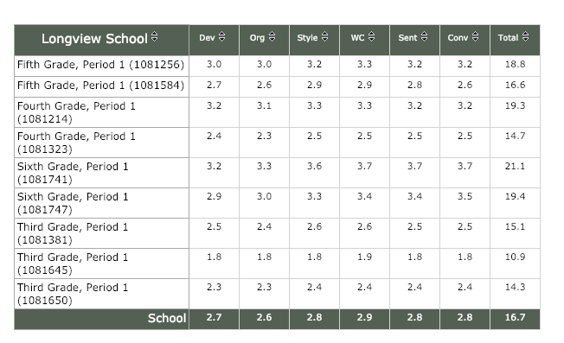 |  |  |  |  |  |  |  |  |  |  |  |  |  |  |  |  |  |  |  | 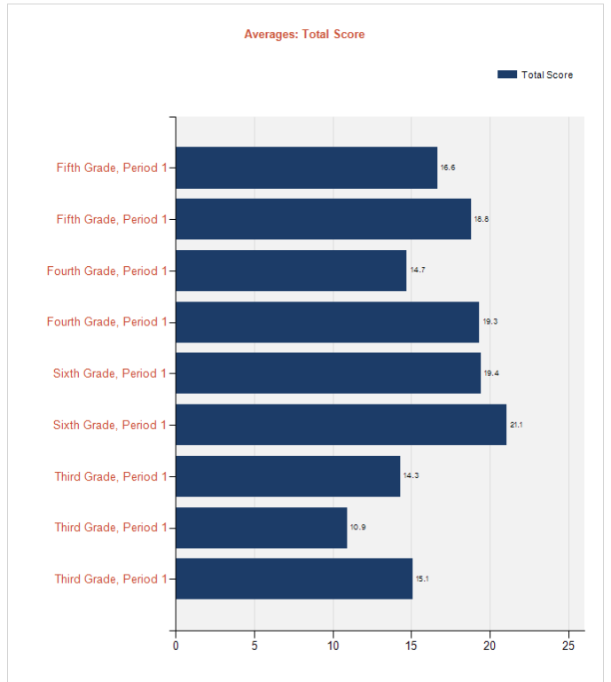

McMillan
School Administrator Level Progress Report

School Average Monthly Scores by Class
 |  |  |  |  |  |  |  |  |  |  |  |  | 2/4/2019

 | School Year |  | 2018-2019 |  |  |  |  | Category |  |  |  | Total Score

Genre |  |  | Argumentative |  |  |  |  | DraftStatus |  |  |  | First Drafts Only

 |  | The report below displays the average total scores by month and year by school and each class. Use the drop down menus to display monthly scores by category or genre.

Mcmillan School |  |  |  | Aug | Sep | Oct | Nov |  | Dec | Jan | LAST |  |  | Mar | Apr | May | Jun | Jul | Avg
Fifth Grade, Period 1 |  |  |  |  |  |  |  |  |  | 18.2 |  |  |  |  |  |  |  |  | 18.2
Fifth Grade, Period 1 |  |  |  |  |  |  |  |  |  | 21.2 |  |  |  |  |  |  |  |  | 21.2
Fifth Grade, Period 1 |  |  |  |  |  |  |  |  |  | 22.1 |  |  |  |  |  |  |  |  | 22.1
Fourth Grade, Period 1 |  |  |  |  |  |  |  |  |  | 12.7 |  |  |  |  |  |  |  |  | 12.7
Fourth Grade, Period 1 |  |  |  |  | 11.1 | 13.1 | 10.0 |  |  | 14.2 |  |  |  |  |  |  |  |  | 14.2
Fourth Grade, Period 1 |  |  |  |  |  |  |  |  |  | 12.0 |  |  |  |  |  |  |  |  | 12.0
Fourth Grade, Period 1 |  |  |  |  |  | 20.7 |  |  | 24.1 | 18.7 |  |  |  |  |  |  |  |  | 18.7
Sixth Grade, Period 1 |  |  |  |  |  |  |  |  |  | 22.5 |  |  |  |  |  |  |  |  | 22.5
Third Grade, Period 1 |  |  |  |  |  |  |  |  | 8.4 | 8.2 |  |  |  |  |  |  |  |  | 8.2
Third Grade, Period 1 |  |  |  |  |  |  |  |  | 10.5 | 11.9 |  |  |  |  |  |  |  |  | 11.9
Third Grade, Period 1 |  |  |  |  |  |  |  |  |  | 8.8 |  |  |  |  |  |  |  |  | 8.8
Third Grade, Period 1 |  |  |  |  |  |  |  |  | 21.7 | 15.8 |  |  |  |  |  |  |  |  | 15.8
School |  |  |  |  | 11.1 | 16.2 | 10.0 |  | 21.0 | 15.5 | #DIV/0!

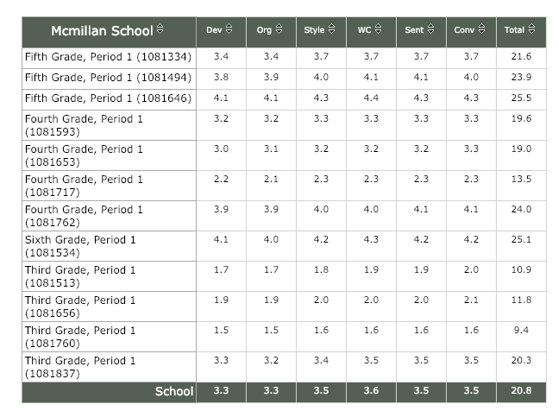 |  |  |  |  |  |  |  |  |  |  |  |  |  |  |  |  |  |  |  | 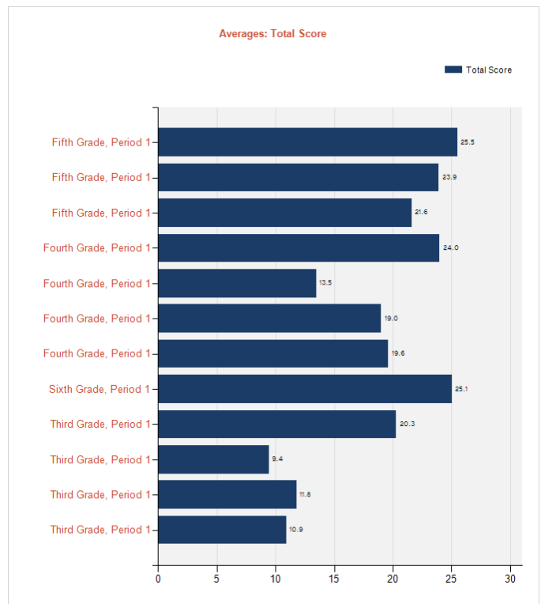

Parkside
School Administrator Level Progress Report

School Average Monthly Scores by Class
 |  |  |  |  |  |  |  |  |  |  |  |  | 2/4/2019

 | School Year |  | 2018-2019 |  |  |  |  | Category |  |  |  | Total Score

Genre |  |  | Argumentative |  |  |  |  | DraftStatus |  |  |  | First Drafts Only

 |  | The report below displays the average total scores by month and year by school and each class. Use the drop down menus to display monthly scores by category or genre.

Parkside School (Murray) |  |  |  | Aug | Sep | Oct | Nov |  | Dec | Jan | LAST |  |  | Mar | Apr | May | Jun | Jul | Avg
Fifth Grade, Period 1 |  |  |  |  |  |  |  |  |  | 16.1 |  |  |  |  |  |  |  |  | 16.1
Fourth Grade, Period 1 |  |  |  |  |  |  |  |  |  | 12.0 |  |  |  |  |  |  |  |  | 12.0
Sandoval Fifth Grade ELA |  |  |  |  |  |  |  |  |  | 12.3 |  |  |  |  |  |  |  |  | 12.3
Sixth Grade, Period 1 |  |  |  |  |  |  | 17.3 |  | 17.6 | 15.1 |  |  |  |  |  |  |  |  | 15.1
Third Grade, Period 1 |  |  |  |  |  |  |  |  |  | 10.5 |  |  |  |  |  |  |  |  | 10.5
Third Grade, Period 1 |  |  |  |  |  |  | 9.3 |  | 8.6 | 8.4 |  |  |  |  |  |  |  |  | 8.4
Third Grade, Period 1 |  |  |  |  |  |  |  |  |  | 8.4 |  |  |  |  |  |  |  |  | 8.4
School |  |  |  |  |  |  | 14.0 |  | 14.6 | 11.7

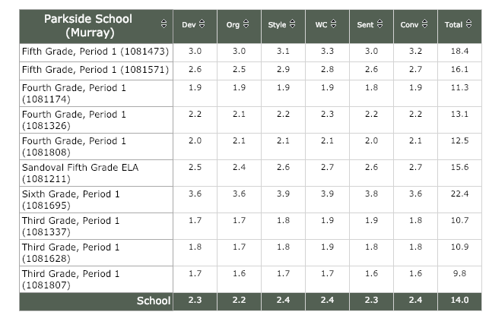 |  |  |  |  |  |  |  |  |  |  |  |  |  |  |  |  |  |  |  | 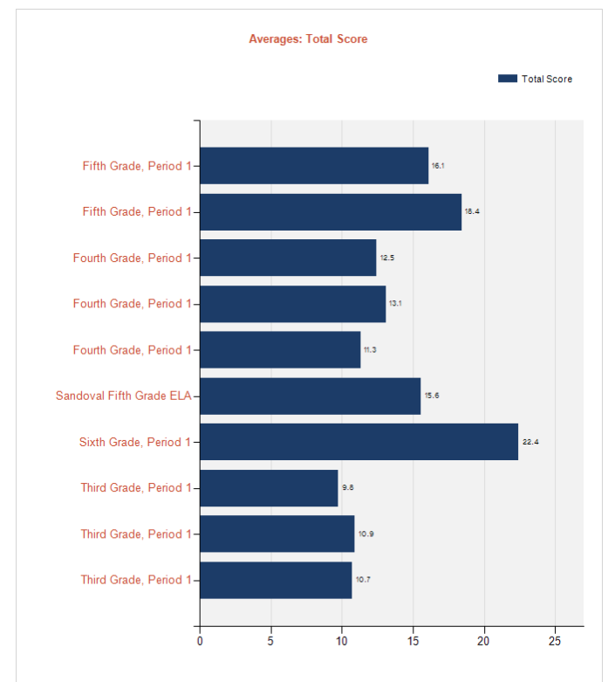

Viewmont
School Administrator Level Progress Report

School Average Monthly Scores by Class
 |  |  |  |  |  |  |  |  |  |  |  |  | 2/4/2019

 | School Year |  | 2018-2019 |  |  |  |  | Category |  |  |  | Total Score

Genre |  |  | Argumentative |  |  |  |  | DraftStatus |  |  |  | First Drafts Only

 |  | The report below displays the average total scores by month and year by school and each class. Use the drop down menus to display monthly scores by category or genre.

Viewmont School |  |  |  | Aug | Sep | Oct | Nov |  | Dec | Jan | LAST |  |  | Mar | Apr | May | Jun | Jul | Avg
Fifth Grade, Period 1 |  |  |  |  |  | 14.5 | 13.5 |  | 12.3 | 15.8 |  |  |  |  |  |  |  |  | 15.8
Fifth Grade, Period 1 |  |  |  |  |  | 16.6 | 14.4 |  | 14.8 | 17.9 |  |  |  |  |  |  |  |  | 17.9
Fourth Grade, Period 1 |  |  |  |  | 12.4 |  |  |  | 14.2 | 17.3 |  |  |  |  |  |  |  |  | 17.3
Fourth Grade, Period 1 |  |  |  |  |  |  |  |  |  | 19.1 |  |  |  |  |  |  |  |  | 19.1
Sixth Grade, Period 1 |  |  |  |  |  |  |  |  |  | 24.8 |  |  |  |  |  |  |  |  | 24.8
Sixth Grade, Period 2 |  |  |  |  |  |  |  |  |  | 14.8 |  |  |  |  |  |  |  |  | 14.8
Third Grade, Period 1 |  |  |  |  | 8.3 | 9.5 |  |  |  | 14.0 |  |  |  |  |  |  |  |  | 14.0
Third Grade, Period 1 |  |  |  |  |  |  |  |  |  | 12.4 |  |  |  |  |  |  |  |  | 12.4
Third Grade, Period 1 |  |  |  |  | 9.5 | 10.6 | 9.4 |  |  | 11.0 |  |  |  |  |  |  |  |  | 11.0
School |  |  |  |  | 10.0 | 14.3 | 13.8 |  | 13.6 | 16.3

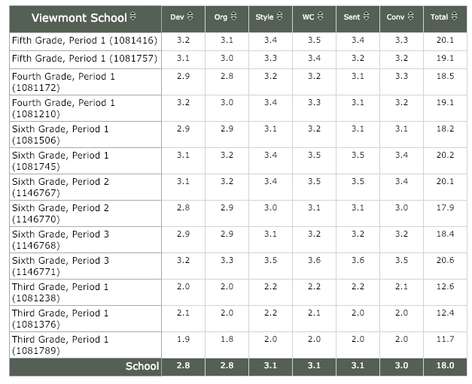 |  |  |  |  |  |  |  |  |  |  |  |  |  |  |  |  |  |  |  | 